Sheet1
ST. THOMAS MANAGEMENT INSTITUTE , JHAJJHAR (HARYANA)
MANDATORY DISCLOSURE
 | Format for Mandatory Disclosure

 | Mandatory Disclosure | updated on : 20-09-2022

1 | AICTE File No. | 1-11164071

 | Date & Period of last approval | 3-Jul-22

2 | Name of the Institution | ST. THOMAS MANAGEMENT INSTITUTE

 | Address of the Institution | Village Jahangirpur, Najafgarh Jhajjar Road

 | City & Pin Code | JHAJJAR - 124103

 | State / UT | Haryana

 | Longitude & Latitude | Latitude - 28, 40, 23
 |  | Longitude - 76, 45, 10

 | Phone number with STD code | 9313280833/9313209395

 | Fax number with STD code | N.A

 | Office hours at the Institution | 09:00 a.m. - 5:00 p.m.

 | Academic hours at the Institution | 09:30 a.m. - 4:30 p.m.

 | Email | stthomasmgmtj962@gmail.com , pavanjain@ibmrbschool.org

 | Website | www.stthomasmanagement.com

 | Nearest Railway Station (dist in Km) | Jhajjar ( 10 Km)

 | Nearest Airport (dist in Km) | New Delhi (45 Km)

3 | Type of Institution | Unaided - Private

 | Category (1) of the Institution | Non Minority

 | Category (2) of the Institution | Co-Ed

4 | Name of the organization running the Institution | JESUS CHARITABLE TRUST

 | Type of the organization | Trust

 | Address of the organization | CRC: D-7, Infocity – 2, Sector 33, Near Hero Honda Chowk, Gurgaon,Haryana 122001, India

 | Registered with | Sub Registrar

 | Registration date MBA/BBA | MBA-18/08/2006, BBA-20-05-2009

 | Website of the organization | www.stthomasmanagement.com

5 | Name of the affiliating University | MAHARSHI DAYANAND UNIVERSITY ROHTAK

 | Address | Delhi rd, near Delhi Bypass, Rohtak, Haryana 124001

 | Website | http://mdu.ac.in/

 | Latest affiliation period | 2021-2022


6 | Name of Principal / Director | Prof. (Dr.) Mukul Jain

 | Exact Designation | Director

 | Phone number with STD Code | 9811708456

 | Email | mukuljain11@yahoo.co.in

 | Highest Degree | Ph.D

 | Field of specialization | Management

7 | Governing Board Members
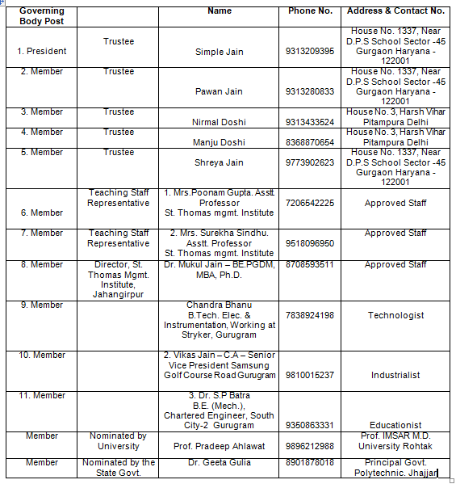

 | Frequency of meetings & date of last meeting | as and when required
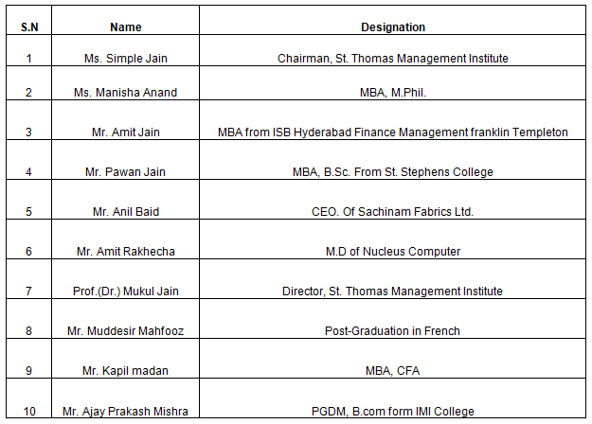
8 | Academic Advisory Body

 | Frequency of meetings & date of last meeting | 2022-06-22

9 | Organisational Chart

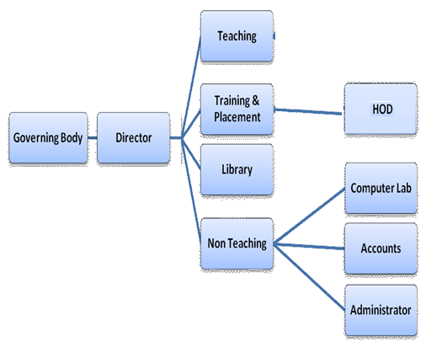

10 | NBA Accreditation Status
 | 1 | Name/ List of Programmes/ Courses Accredited | List of NBA accredited programmes/ courses may be shown with Accreditation letters/ duration of accreditation (3 year/ 6year).
 | 2 | Applied for Accreditation | List to be shown
 |  | A. Applied but Visit not happened
 |  | B. Visit happened but result awaited
 | 3 | List of programmes/ courses Not Applied | MBA, BBA

11 | NAAC Accreditation Status
 | 1 | Accredited | Accreditation grade may be shown
 | 2 | Applied for Accreditation
 |  | A. Applied but Visit not happened
 |  | B. Visit happened but result awaited
 | 3 | Not Applied | Not Applied

12 | Student feedback mechanism on Instutional Governance/faculty performance | Through student feedback proforma (Attached)

13 | Grievance redressal mechanism for faculty, staff and students | (a) The staff meetings are held on regular basis. If anybody has any grievance against the faculty, staff and students, then it is amicably settled in the meeting itself. The personal hearings are also given as and when required. (b) For the students a grievance redressal is functional which takes care of all types of grievance of the students.

14 (A) | Name of the Department | Management

 | Course | MBA

 | Level | PG

 | Ist year of approval | 2006

 | Year wise Sanctioned Intake | 120

 | Admission last three year | 2019 : 105 2020 : 106 2021 : 85

 | % Students passed Out

 | Students Placed | 2019 : 29 2020 : 101 2021 : 100 2022:83

 | Average Pay package offered, Rs./Year | 2018 : Rs. 6,00,000 P.A 2019 : 7,00,000 P.A 2020 : 7,00,000 P.A 2021 : 7,00,000 P.A 2022: 7,00,000 P.A

14 (B) | Name of the Department | Management

 | Course | BBA

 | Level | UG

 | Ist year of approval | 2009

 | Year wise Sanctioned Intake | 2019 : 60 2020 : 60 2021 : 60

 | admission last three year | 2019 : 42 2020 : 52 2021 : 60

 | % Students passed Out | 2019 : NA 2020 : NA 2021 : 95% 2022 : 96%

 | Students Placed | 2019 : NA 2020 : NA 2021 : 20 2022 - 35

 | Average Pay package, Rs./Year | 2019 : NA 2020 : NA 2021 : 3.5 Lac per annum

 | Professional activities | The institute organises small workshops for the local entrepreneurs..

 | Consultancy activities | The institute provides free consultancy to the local industry.

 | Grants fetched | NIL

14.1 | Name of Teaching Staff | Dr. Mukul Jain

 | Designation | Professor

 | Department | Management

 | Date of Joining the Institution | 2015-12-01

 | Qualifications with Class/Grade | P.HD, PGDM,MBA, B.E

 | Total Experience in Years | Teaching 19 yrs. Industry Research

 | Papers Published | National 3 International 3

 | Papers Presented in Conferences | National International

14.2 | Name of Teaching Staff | Dr. Sapna Tanwar
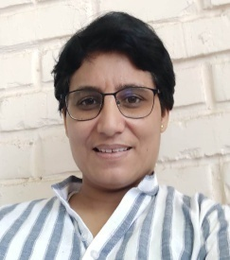
 | Designation | Associate Professor

 | Department | Management

 | Date of Joining the Institution | 2019-11-07

 | Qualifications with Class/Grade | PH.D, M.PHIL, MBA, B.A

 | Total Experience in Years | Teaching 12 yrs. Industry Research

 | Papers Published | National International

14.3 | Name of Teaching Staff | Mrs. Poonam Gupta

 | Designation | Assistant Professor

 | Department | Management

 | Date of Joining the Institution | 2015-12-01

 | Qualifications with Class/Grade | M.PHIL MBA,M.SC (IT)

 | Total Experience in Years | Teaching 11 yrs. Industry Research

 | Papers Published | National International

 | Papers Presented in Conferences | National International

14.4 | Name of Teaching Staff | Mrs. Surekha Sindhu

 | Designation | Assistant Professor

 | Department | Management

 | Date of Joining the Institution | 2015-12-01

 | Qualifications with Class/Grade | M.PHIL,MBA,B.A

 | Total Experience in Years | Teaching 11 yrs. Industry Research

 | Papers Published | National International

 | Papers Presented in Conferences | National International

14.5 | Name of Teaching Staff | Mrs.Jyoti Nain
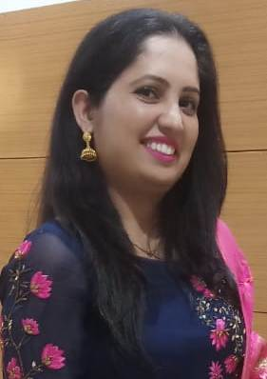
 | Designation | Assistant Professor

 | Department | Management

 | Date of Joining the Institution | 2019-11-07

 | Qualifications with Class/Grade | M.COM, MBA, B.COM

 | Total Experience in Years | Teaching 6 yrs. Industry Research

 | Papers Published | National: International:

 | Papers Presented in Conferences | National 6 International 1

14.6 | Name of Teaching Staff | Mrs. Chandni Bansal

 | Designation | Assistant Professor

 | Department | Management

 | Date of Joining the Institution | 2019-11-07

 | Qualifications with Class/Grade | U.G.C NET ,MBA,,BCA

 | Total Experience in Years | Teaching 3 yrs. Industry 1 Research

 | Papers Published | National International

 | Papers Presented in Conferences | National 1 International

14.7 | Name of Teaching Staff | Mrs. Sneha Kaushal Totla

 | Designation | Assistant Professor

 | Department | Management

 | Date of Joining the Institution | 2019-11-07

 | Qualifications with Class/Grade | JRF,MBA,BBA

 | Total Experience in Years | Teaching 10 yrs. Industry N Research

 | Papers Published | National: International:

 | Papers Presented in Conferences | National International

14.8 | Name of Teaching Staff | Mrs. Chhavi Mittal
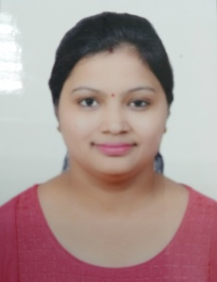
 | Designation | Assistant Professor

 | Department | Management

 | Date of Joining the Institution | 2019-11-07

 | Qualifications with Class/Grade | PGDBA, BA ECO

 | Total Experience in Years | Teaching 7.5 yrs. Industry 1.5 yrs. Research

 | Papers Published | National: 2 International: 3

 | Papers Presented in Conferences | National 2 International 1

14.9 | Name of Teaching Staff | Ms. Deepika
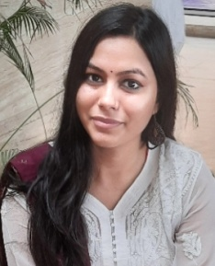
 | Designation | Assistant Professor

 | Department | Management

 | Date of Joining the Institution | 16.06.2021

 | Qualifications with Class/Grade | NET, MBA, B.COM (HON)

 | Total Experience in Years | Teaching 6.Month. Industry Research

 | Papers Published | National: International:

 | Papers Presented in Conferences | National International

14.10 | Name of Teaching Staff | Mrs. Geeta Devi

 | Designation | Assistant Professor

 | Department | Management

 | Date of Joining the Institution | 2015-12-01

 | Qualifications with Class/Grade | MBA, B.A

 | Total Experience in Years | Teaching 8 yrs. Industry Research

 | Papers Published | National: International:

 | Papers Presented in Conferences | National International

14.11 | Name of Teaching Staff | Mrs.Namrata Yadav

 | Designation | Assistant Professor

 | Department | Management

 | Date of Joining the Institution | 2020-09-21

 | Qualifications with Class/Grade | M.COM, B.COM

 | Total Experience in Years | Teaching 5 yrs. Industry Research

 | Papers Published | National International

 | Papers Presented in Conferences | National International

14.12 | Name of Teaching Staff | Shabana
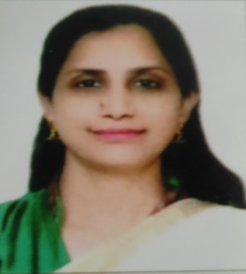
 | Designation | Assistant Professor

 | Department | Management

 | Date of Joining the Institution | 2019-11-07

 | Qualifications with Class/Grade | MBA, B.ED,B.A

 | Total Experience in Years | Teaching 6 yrs. Industry 8 yrs. Research

 | Papers Published | National: International:

 | Papers Presented in Conferences | National International

14.13 | Name of Teaching Staff | Mrs.Shikha Yadav
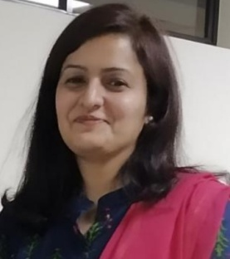
 | Designation | Assistant Professor

 | Department | Management

 | Date of Joining the Institution | 2021-10-01

 | Qualifications with Class/Grade | P.HD Pursuing, NET.MBA, B.C.A

 | Total Experience in Years | Teaching 1 yrs. Industry 7yrs. Research

 | Papers Published | National International

 | Papers Presented in Conferences | National International

 | PhD Guide? Give field & University

 | PhDs /Projects Guided

15 | Admission quota | through general counseling

 | Fees in rupees | Tuition Fee Rs. 75000/-, Development Fee Rs. 6600/-, Student Fund Rs. 1500/-, Caution Money - College (Refundable) Rs. 2000/-, other charges like University fee, Exam fee, Transporation fee, Industrial tours and other Value added courses.

 | PIO quota | No

16 | Infrastructural information

 | Classroom/Tutorial Room facilities
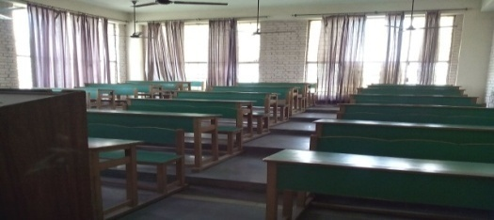

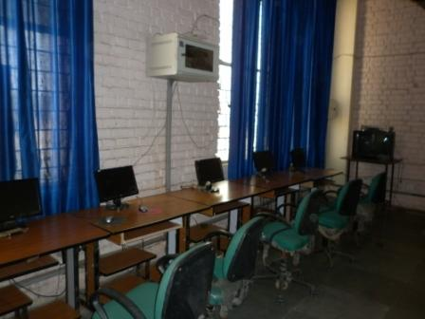
 | Computer Centre facilities

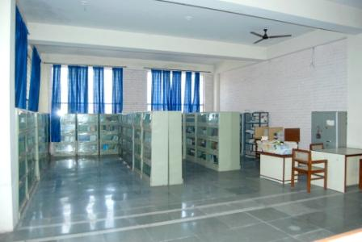
 | Library facilities

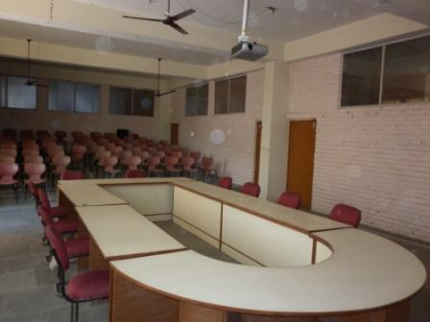
 | Auditorium / Seminar Halls / Amphi

 | Indoor Sports facilities | Available

 | Gymnasium facilities | Available

17 | Boys Hostel
 | Girls Hostel

18 | Academic Sessions | 2022-23

 | Examination system, Year / Sem | Semester

 | Period of declaration of results | Jan. - Feb. & June - July

19 | Counseling / Mentoring | All the faculty members act as mentors for a particular group of students assigned

 | Career Counseling | The Institute also takes the help of professional career counsellor as and when required.

20 | Students Activity

 | Cultural activities | The Institute organises cultural activities on the occasion of Annual Prize Distribution Function. The students also regularly participate in cultural activities on the assigned weekly activities.

 | Sports activities | The Institute organised different types of sports activities like; Cricket, Badminton, etc. on regular basis.

 | Literary activities | The literary activities are organised round the clock. The students also present papers in different workshop and seminar, etc. held in the Institute itself and outside. The Institute regularly organises weekly activity day involving different type of literary activities.

 | Industrial Visits / Tours | domastic and Internation (Internationl 2 University visit and 3 Industrial visit) Industrial visit and tour are organised on regular basis.

 | Alumni activities | STMI also maintained an Alumni Association and its member meet formally and in-formally and also help the present students in training and placement activities.

21 | Name of the Information Officer for RTI | Mr. Kanhiya Lal

 | Designation | Clerk cum Computer Operator

 | Phone number with STD Code | 9313280833/7838924198

 | FAX number with STD code | N.A

 | Email | kanhiyalal84@gmail.com

